Sheet1
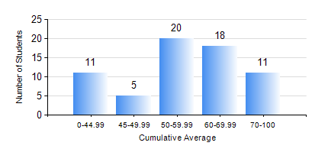
 |  |  | KWAME NKRUMAH UNIVERSITY OF SCIENCE AND TECHNOLOGY, KUMASI Department of Materials Engineering

 |  |  | BSC. METALLURGICAL ENG.

 |  |  | COMPREHENSIVE RECORD OF EXAMINATION RESULTS

 |  |  | RESULTS OF YEAR 2 SECOND SEMESTER, 2023/2024 ACADEMIC YEAR

 | Sn | Course Code |  | Course Name | Credit Hours | Min. Mark | Max. Mark | Avg. Mark | Std. Dev. | No. Passed | No. Trailed | No. (Df) | No. (I) | No. (I*) | No. Tagged(I,I*,Df) | Total
 | 0. |  |  |  |  |  |  | 0 | 0 | 0 | 0 | 0 | 0 | 0 | 0 | 8
 | 1. | MATH 252 |  | CALCULUS WITH SEVERAL VARIABLES | 4 | 42 | 87 | 68 | 10.25 | 57 | 0 | 0 | 0 | 0 | 0 | 57
 | 2. | METE 252 |  | METALLURGICAL RATE PROCESSES/SURFACE PHENOMENA | 3 | 12 | 93 | 61 | 17.67 | 53 | 4 | 0 | 0 | 0 | 0 | 57
 | 3. | METE 254 |  | ORE BENEFICIATION | 4 | 31 | 93 | 71 | 11.28 | 56 | 1 | 0 | 0 | 0 | 0 | 57
 | 4. | METE 256 |  | ASSAYING | 2 | 31 | 88 | 71 | 11.46 | 56 | 1 | 0 | 0 | 0 | 0 | 57
 | 5. | METE 258 |  | COMPUTER PROGRAMMING AND APPLICATIONS | 2 | 10 | 88 | 59 | 14.77 | 55 | 2 | 0 | 0 | 0 | 0 | 57
 | 6. | MSE 252 |  | HEAT AND MASS TRANSPORT | 3 | 9 | 86 | 54 | 15.29 | 51 | 6 | 0 | 0 | 0 | 0 | 57
 | 7. | MSE 260 |  | PHASE TRANSFORMATIONS | 2 | 10 | 84 | 49 | 15.92 | 46 | 10 | 1 | 0 | 0 | 1 | 57

